Basis for Aging of Cases
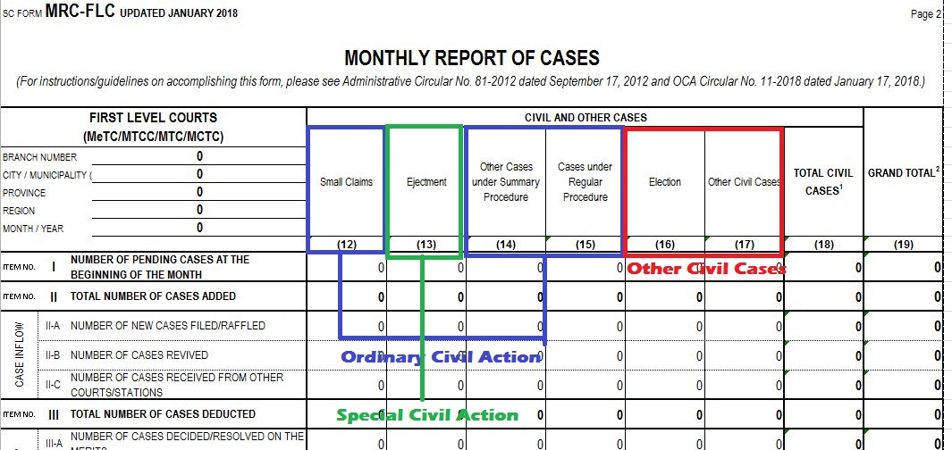

 | Computation of Aging of Civil Cases

 |  | Ordinary Civil Action, add column 12, 14 and 15

 |  | For Other Civil Cases, add column 16 and 17

 |  | Special Civil Action

PRINT ALL SHEETS IN FOLIO SIZE

